Solusi fallout 1054
RESOURCE_ID | SERVICE_NAME | TARGET_ID | CONFIG_ITEM_NAME
36527803-247498020 | 36916626_05122021518_VOICE | 30750029 | Service_Port | 36527803-247498020,36916626_05122021518_VOICE,30750029,Service_Port
36527803-247498020 | 36916626_161212202299_INTERNET | 30750029 | Service_Port | 36527803-247498020,36916626_161212202299_INTERNET,30750029,Service_Port
36527803-247498020 | 36916626_161212202299_IPTV | 30750029 | Service_Port | 36527803-247498020,36916626_161212202299_IPTV,30750029,Service_Port

1054:Service Port 0/5/5 on device GPON03-D6-BJM-2(172.20.161.80) has existing customer.Please check connectivity |  |  |  |  |  | 172.20.161.80 | 0/5/5 | 5/5
The TT is created for CRM order ID: SC8904082_490739348_490739408 OSM ID: 59576169. Service ID is 36916626_161212202299_INTERNET,36916626_161212202299_IPTV,36916626_05122021518_VOICE |  |  |  |  | 36916626 | 05122021518 | 161212202299 | 161212202299

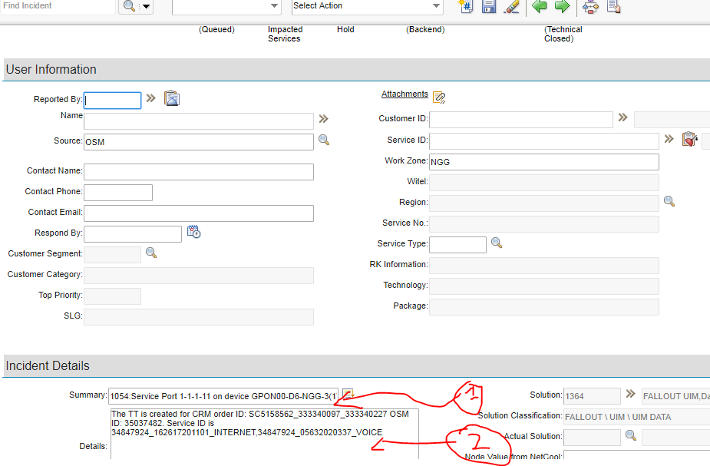
Copy no 1 (lihat gambar) ke row 13
Copy no 2 (lihat gambar) ke row 14
lalu copy values di row 3 sd 5 ke rule set alter

